Overview and hacks
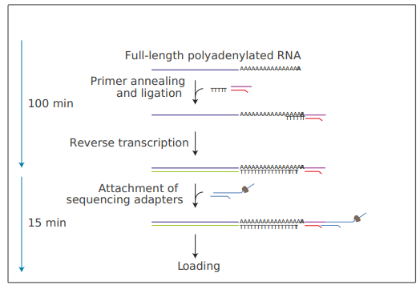

 | Image from the Direct RNA protocol
 | click here

The Run Down:
In order to make this assay work with bacterial RNA, you need to polyadenelate the RNA. The syn 1.0 and syn 3A cell lines have more A/T nucleotides than a standard cell, so you will also be getting nonspecific binding of the reverse transcriptase primers. I am not sure how this will affect the data, maybe it will make it differcult to accurately call transcript length.

Once the RMX reagent is added, treat that tube so delicately. No vortexing, no pipetting, just the softest, most gentle flick.

The 3A RNA is especially sensitive to freeze-thaw cycles. Try and keep the freeze-thaws below 2.

